Menu
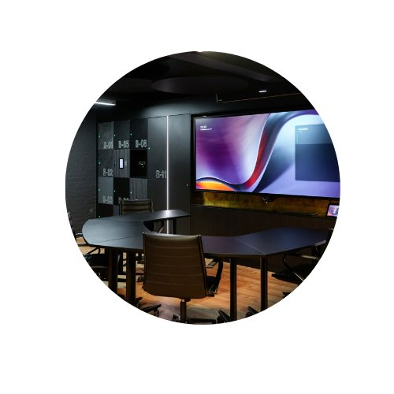
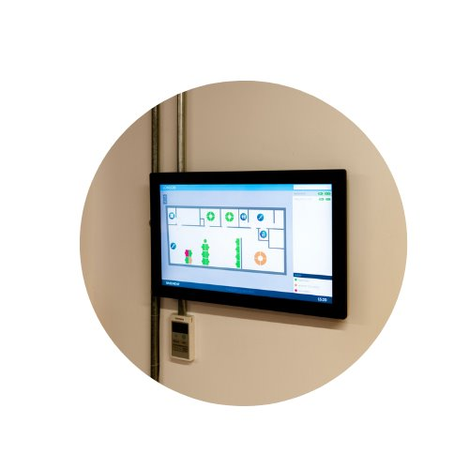
Hybrid working solutions for the smarter workplace
Master Price List
October 2025. E&OE.
Click on a Brand Logo Below to take you to each pricelist

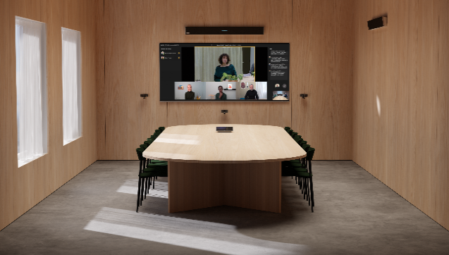

Meeting Room Bundles
 | Ascentae Curated Bundles | HuMaN (Huddly, Maxhub and Nureva) Bundles

Smart Workplace
Audio
Display
Camera
Compute
Manage
Wireless Screen and Content Sharing
Visual Collaboration and Project Rooms
Switchers and Extenders
Education

Jupiter
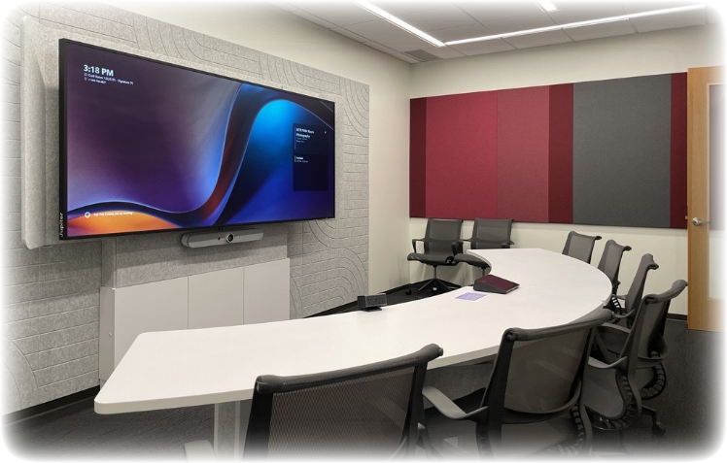

Ascentae - Jupiter Pricelist
October 2025.
Valid as of 1st October 2025
E&OE.
Why Jupiter
Jupiter are a global leader in video wall processors and continues innovation with ultra-wide 21:9 pana displays
21:9 aspect ratio optimises team productivity with 33% additional pixels at 5K native resolution, providing more screen real estate to work and collaborate.
Available as non-touch or touch screens for any environment. Traditional 16:9 touch panels are limited by the height that people can reach, meaning up to 30% of screen may be unusable. In 21:9 all the screen is accessible, providing a richer, more collaborative canvas
All Jupiter screens come with a 3 year advance replacement warranty for complete peace of mind. This covers the cost of advance replacement model being delivered only.

Part Code | Description | Datasheet | Product URL | SRP | Reseller Standard | Reseller Deal Registration | Reseller Authorised | Authorised Deal Registration | NFR (max 1 per reseller

Jupiter Pana 21:9 LCD Displays
Pana105T | Jupiter Pana 105T - 105" widescreen LCD touchscreen; 21:9 aspect ratio; native 5K resolution (5120 x 2160); 10000:1 contrast ratio; 600 nit brightness; 178 degree viewing angle, 20 point simultaneous touch points. 3 year warranty. | Link | Link | £12,999 | £9,750 | POA | POA | POA | POA
Pana105D | Jupiter Pana 105D - 105" widescreen LCD (non-touch); 21:9 aspect ratio; native 5K resolution (5120 x 2160); 10000:1 contrast ratio; 600 nit brightness; 178 degree viewing angle. 3 year warranty | Link | Link | £11,999 | £9,000 | POA | POA | POA | POA
Pana81T | Jupiter Pana 81T - 81" widescreen LCD touchscreen; 21:9 aspect ratio; native 5K resolution (5120 x 2160); 10000:1 contrast ratio; 600 nit brightness; 178 degree viewing angle, 20 point simultaneous touch points. 3 year warranty. | Link | Link | £6,999 | £5,250 | POA | POA | POA | POA
Pana81D | Jupiter Pana 81D - 81" widescreen LCD (non-touch); 21:9 aspect ratio; native 5K resolution (5120 x 2160); 10000:1 contrast ratio; 600 nit brightness; 178 degree viewing angle. 3 year warranty | Link | Link | £5,999 | £4,500 | POA | POA | POA | POA
Pana34 | Jupiter Pana 34 - 34" widescreen LCD touchscreen all-in-one desktop monitor; 21:9 aspect ratio, 3440 x 1440 native resolution; 4000:1 contrast ratio; 350 nit brightness; 178 degree viewing angle; 10 point simultaneous touch points; 2 x 12W speaker; 9 channel digital input microphone; built-in camera; desktop stand; 3 year warranty. | Link | Link | £950 | £760 | POA | POA | POA | POA

Jupiter Pana X 21:9 LCD Displays
Pana X 105 Touch | Jupiter Pana X Touch - 105" widescreen LCD touchscreen; 21:9 aspect ratio; native 5K resolution (5120 x 2160) ,120Hz refresh rate; 1,000,000:1 contrast ratio; 2200 nit brightness; 178 degree viewing angle, FlatFrog Gen6 In Glass touch with 20 point simultaneous touch points. 3 year warranty. | Link | Link | £21,999 | £16,500 | POA | POA | POA | POA
Pana X 105 | Jupiter Pana X - 105" widescreen LCD (non-touch); 21:9 aspect ratio; native 5K resolution (5120 x 2160) ,120Hz refresh rate; 1,000,000:1 contrast ratio; 2200 nit brightness; 178 degree viewing angle, 3 year warranty | Link | Link | £19,999 | £15,000 | POA | POA | POA | POA
Pana X 81 Touch | Jupiter Pana X Touch - 81" widescreen LCD touchscreen; 21:9 aspect ratio; native 5K resolution (5120 x 2160) ,120Hz refresh rate; 1,000,000:1 contrast ratio; 1900 nit brightness; 178 degree viewing angle, Metal-mesh capacitive with 40 simultaneous touch points. 3 year warranty. | Link | Link | £12,999 | £9,750 | POA | POA | POA | POA
Pana X 81 | Jupiter Pana X 81 - 81" widescreen LCD (non-touch); 21:9 aspect ratio; native 5K resolution (5120 x 2160) ,120Hz refresh rate; 1,000,000:1 contrast ratio; 2100 nit brightness; 178 degree viewing angle, 3 year warranty. | Link | Link | £9,999 | £7,500 | POA | POA | POA | POA
Pana-JPCMw | Pana-JPCMw Computer Module: Intel i7 12700H desktop processor; 16GB SODIMM DDR4 dual-channel memory; 256GB NVME; TPM2.0; Discrete graphics, Nvidia RTX3050, 21:9 5K 120Hz Display Support. Win 10 Pro. Fits into Jupiter-unique slot on Pana X displays, touch or non-touch models. | Link | Link | £2,828 | £2,121 | POA | POA | POA | POA

Jupiter Accessories
3-630-013-00 | Pana OPS Module - i7 - 11th generation Intel i7 processor OPS module | Link |  | £1,469 | £1,249 | POA | POA | POA | POA
4-625-010-00 | Pana Pen - Active stylus Windows pen and touch |  |  | £209 | £178 | POA | POA | POA | POA

Wall Mounts for Jupiter Screens
SF680P | Peerless Smart Mount . Suitable for Jupiter 81" and 105" (with additional adaptor rails ACC0V1500X) | Link |  | £203 | £152 | POA | POA | POA
ACC-V1500X | Peerless adaptor rails for SF680P. Required for all 105" wall mounts | Link |  | £219 | £165 | POA | POA | POA
SR598 | Peerless SmartMount Flat Panel Cart. Suitable for Jupiter 81" and 105" (with additional adaptor rails ACC0V1500X) | Link |  | £1,087 | £794 | POA | POA | POA
XENON_DS_PANA105/BLACK XENON_DS_PANA105/WHITE | AXEOS XENON Single screen digital signage pack - Screen stand in black or white painted steel for105'' Jupiter screen (PANA105 model) and VESA 1500x600 mm including a black or white rear cover and a screen holder VESA 1500x600 mm |  |  | £3,999 | £3,299 | POA | POA | POA
SA740P | Peerless-AV SA740P SmartMount Articulating Wall Mount for PANA 34 Displays | Link |  | £199 | £140 | POA | POA | POA
SF632P | Peerless-AV SF632P SmartMount Medium Flat Wall Mount for PANA 34 Displays | Link |  | £50 | £43 | POA | POA | POA
ST632P | Peerless-AV ST632P SmartMount Universal Tilt Wall Mount for PANA 34 Displays | Link |  | £55 | £48 | POA | POA | POA

Ascentae Maintenance Services for Jupiter Screens

Part Code | Description

Jupiter Silver
AS-Silver-Pana34-3YR | Ascentae Gold Support Contract for years 1-3. Includes technical support, next business day hardware replacement - Pana34
AS-Silver-Pana34-5YR | Ascentae Gold Support Contract for years 1-5. Includes technical support, next business day hardware replacement - Pana34

Jupiter Gold
AS-Gold-Pana34-3YR | Ascentae Gold Support Contract for years 1-3. Includes technical support, 3 business day hardware replacement, engineer on-site support to facilitate hardware swap and reconfiguration in case of diagnosed hardware failure - Pana34
AS-Gold-Pana34-5YR | Ascentae Gold Support Contract for years 1-5. Includes technical support, 3 business day hardware replacement, engineer on-site support to facilitate hardware swap and reconfiguration in case of diagnosed hardware failure - Pana34
AS-Gold-Pana81-3YR | Ascentae Gold Support Contract for years 1-3. Includes technical support, 3 business day hardware replacement with engineers to replace and remove faulty unit - Pana81
AS-Gold-Pana81-5YR | Ascentae Gold Support Contract for years 1-5. Includes technical support, 3 business day hardware replacement with engineers to replace and remove faulty unit - Pana81
...

